Charts
Chart 1: S&P 500 & Nasdaq Levels | Chart 2: VIX Volatility Index
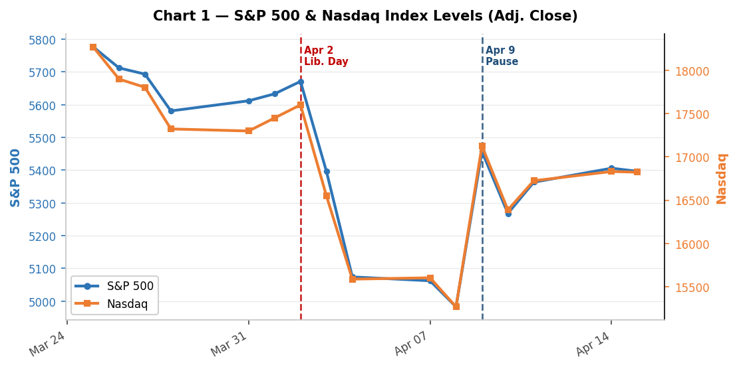
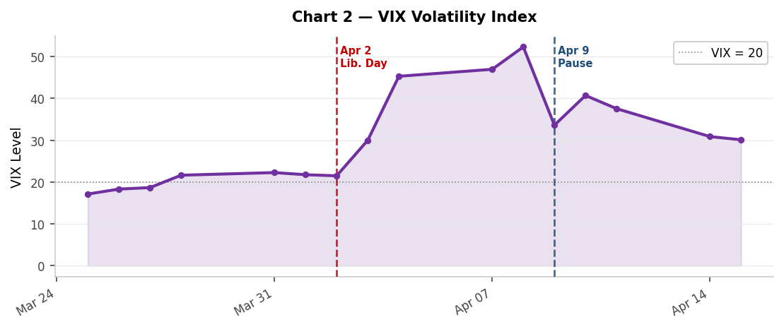

Chart 3: Daily Returns (%) | Chart 4: Treasury Yields (%)
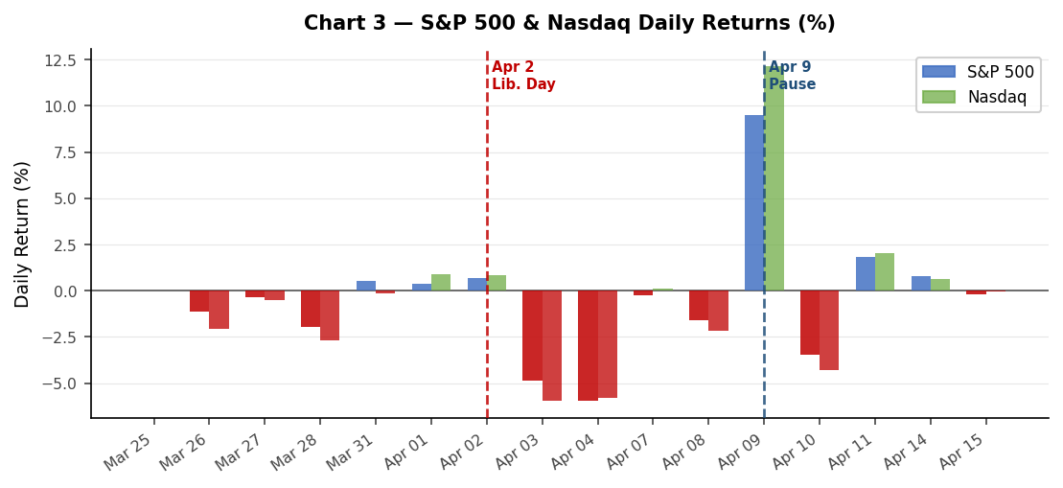
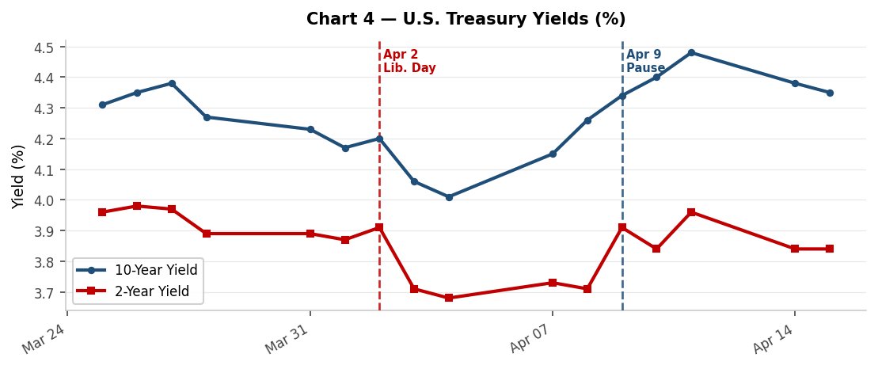

Chart 5 — Credit Spreads (bps) | Chart 6 — Cumulative Returns from Apr 2
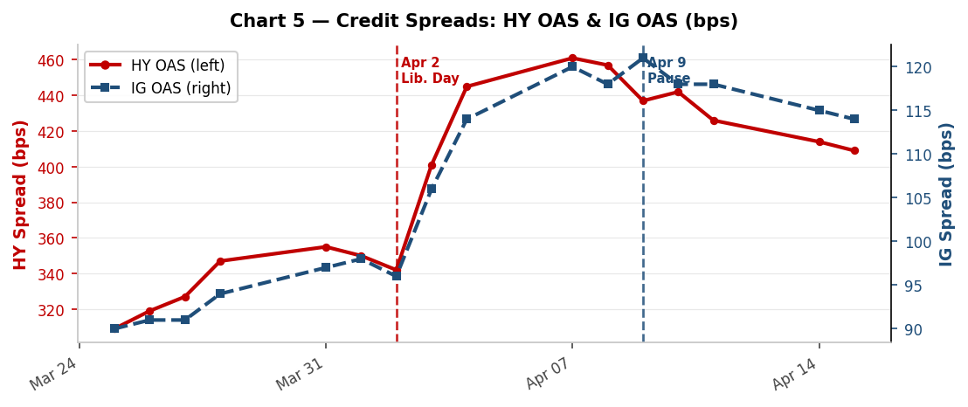
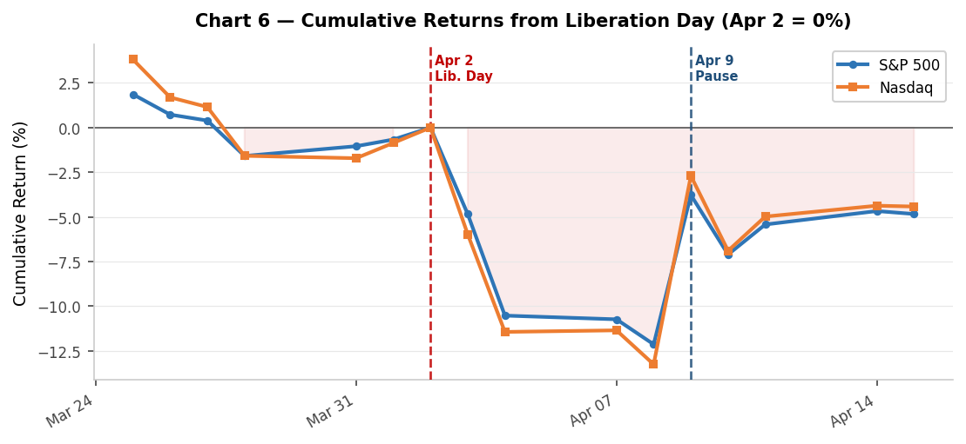

Chart 7 — HY vs. IG Credit Spreads (bps)
HY vs. IG Credit Spreads (bps)
 | HY OAS (bps) | IG OAS (bps)
25-Mar-25 | 309.0 bps | 90.0 bps
26-Mar-25 | 319.0 bps | 91.0 bps
27-Mar-25 | 327.0 bps | 91.0 bps
28-Mar-25 | 347.0 bps | 94.0 bps
31-Mar-25 | 355.0 bps | 97.0 bps
01-Apr-25 | 350.0 bps | 98.0 bps
02-Apr-25 | 342.0 bps | 96.0 bps
03-Apr-25 | 401.0 bps | 106.0 bps
04-Apr-25 | 445.0 bps | 114.0 bps
07-Apr-25 | 461.0 bps | 120.0 bps
08-Apr-25 | 457.0 bps | 118.0 bps
09-Apr-25 | 437.0 bps | 121.0 bps
10-Apr-25 | 442.0 bps | 118.0 bps
11-Apr-25 | 426.0 bps | 118.0 bps
14-Apr-25 | 414.0 bps | 115.0 bps
15-Apr-25 | 409.0 bps | 114.0 bps

